Pivot Table 1
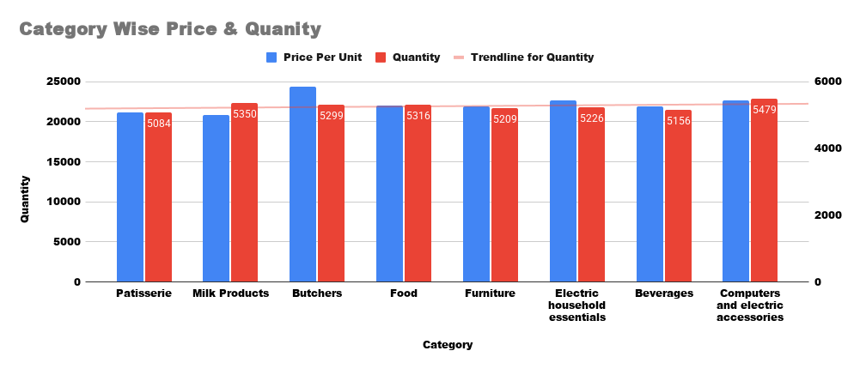
SUM of Total Spent vs. Category

COUNTA of Discount Applied vs. Category

SUM of Total Spent by Location

SUM of Price Per Unit vs. Category

